Sheet1
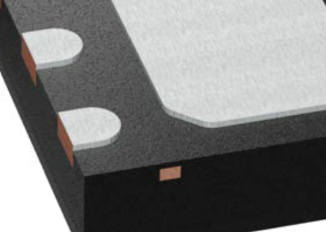

 |  |  | xxxx xxxx xxxxx xxPCS BOM

Item # | *Designator | *Qty | Manufacturer | *Mfg Part # | Description / Value | *Package/Footprint | Type | Your Instructions / Notes
1 | 0.1uF, 0.1uF | 2 | Samsung Electro Mechanics | CL10B104KB8NNNC | 0.1 uF Capacitor (0603 Package) | 0603 | SMD | The same designator is used for the left and right of the pcb | Link
2 | DMN3051L | 1 | Diodes | DMN3051L-7 | DMN3051L-7 Logic Level Mosfet (SOT23 Package) | SOT23 | DNS | Only one possible orientation | Link
4 | 5K, 5K | 2 | TE Connectivity Passive Product | CRGP0603F5K6 | 5K Ohm Resistor (0603 Package) | 0603 | SMD | The same designator is used for the left and right of the pcb | Link
5 | 230 | 1 | Panasonic | ERJ-3EKF2700V | 270 Ohm Resistor (0603 Package) | 0603 | SMD |  | Link
6 | 10K | 1 | Stackpole Electronics Inc | RNCP0603FTD10K0 | 10K Ohm Resistor (0603 Package) | 0603 | SMD |  | Link
7 | TEMP1,TEMP2 | 2 | Texas Instruments | HDC2080DMBT | HDC2080 Temperature & Humidity Sensor (6-WSON Package) | 6-WSON | SMD | Align package corner (underneath) with corner on footprint (see note 1 below) | Link
8 | 100 | 1 | Stackpole Electronics Inc | RNCP1206FTD100R | 100 Ohm Resistor (1206 Package) | 1206 | SMD |  | Link

Need a quick and accurante quote? Need an efficient production? Please read SMT Ordering Necessary Files & Info in 1 minute. Thank you very much!

Click for Instructions on How to Create a BOM

 |  |  |  |  | Note 1

